Introduction
This document contains mappings of the CIS Controls and Sub-Controls to ISO/IEC27001:2013, Information technology-Security techniques-Information security management systems-Requirements (“ISO 27001”)

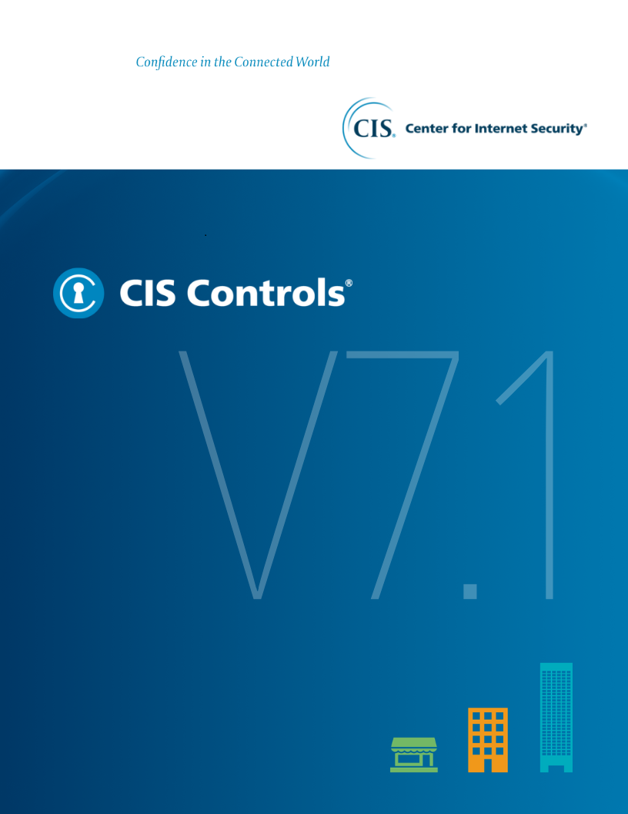

Contact Information
CIS
31 Tech Valley Drive
East Greenbush, NY 12061
518.266.3460
controlsinfo@cisecurity.org

Contact Information
CIS
31 Tech Valley Drive
East Greenbush, NY 12061
518.266.3460
controlsinfo@cisecurity.org

Editors
Josh Franklin
Thomas Sager

Contributors
Peter Geelen

License for Use


License for Use
This work is licensed under a Creative Commons Attribution-Non Commercial-No Derivatives 4.0 International Public License (the link can be found at https://creativecommons.org/licenses/by-nc-nd/4.0/legalcode To further clarify the Creative Commons license related to the CIS ControlsTM content, you are authorized to copy and redistribute the content as a framework for use by you, within your organization and outside of your organization for non-commercial purposes only, provided that (i) appropriate credit is given to CIS, and (ii) a link to the license is provided. Additionally, if you remix, transform or build upon the CIS Controls, you may not distribute the modified materials. Users of the CIS Controls framework are also required to refer to (http://www.cisecurity.org/controls/) when referring to the CIS Controls in order to ensure that users are employing the most up-to-date guidance. Commercial use of the CIS Controls is subject to the prior approval of CIS® (Center for Internet Security, Inc.).

